Sheet1
Operation | Time taken (s) | Normal Distribution |  | 7. Suppose that a product must go through an assembly line that consists of ﬁve sequential operations. The time it takes to complete each operation is normally distributed with a mean of 180 seconds and standard deviation of 5 seconds. Deﬁne the ﬂow time to be the total time it takes a product to go through the assembly line from start to ﬁnish. a. What is the mean and standard deviation of the ﬂow time? What is the probability that the total time will be less than 920 seconds? b. Now assume that the time required to complete each operation has a 0.40 correlation with the operation time immediately preceding it. What is the mean and standard deviation of the ﬂow time? What is the probability that the total time will be less than 920 seconds? c. Now assume that the time required to complete each operation has a -0.40 correlation with the operation time immediately preceding it. What is the mean and standard deviation of the ﬂow time? What is the probability that the total time will be less than 920 seconds?
1 | 0 | 900.06 | 180
2 | 0 | Standard Deviation | 5
3 | 0
4 | 0
5 | 0

Flow time | 0

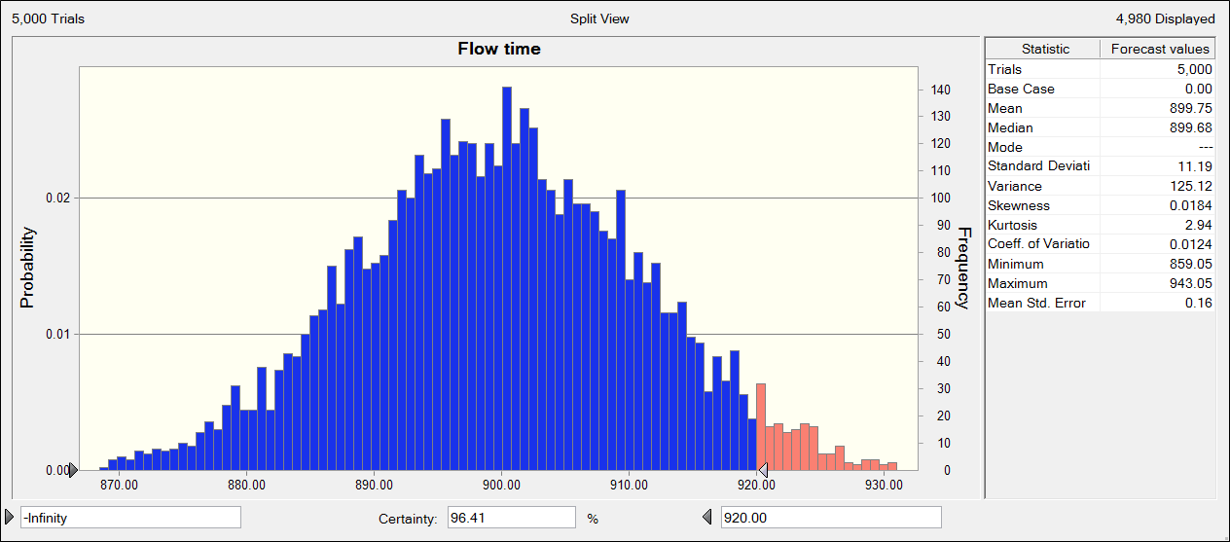

a) | From the above chart and statistics we can see that the mean flow time is 899.75s and the standard deviation is 11.19s. The probability that the total time will be less than 920s is 0.9641.

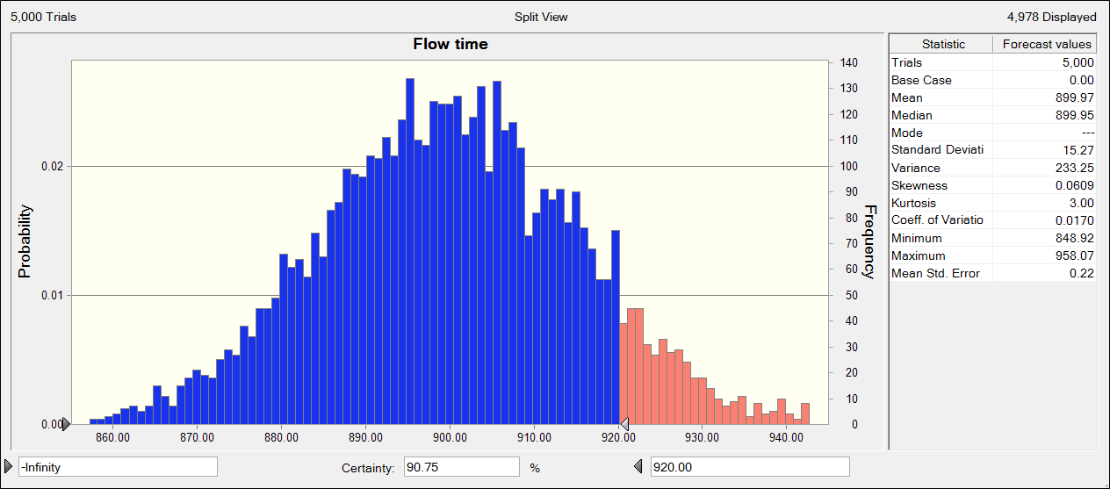

b) | From the above chart and statistics we can see that the mean flow time is 899.97s and the standard deviation is 15.27s. The probability that the total time will be less than 920s is 0.9075.

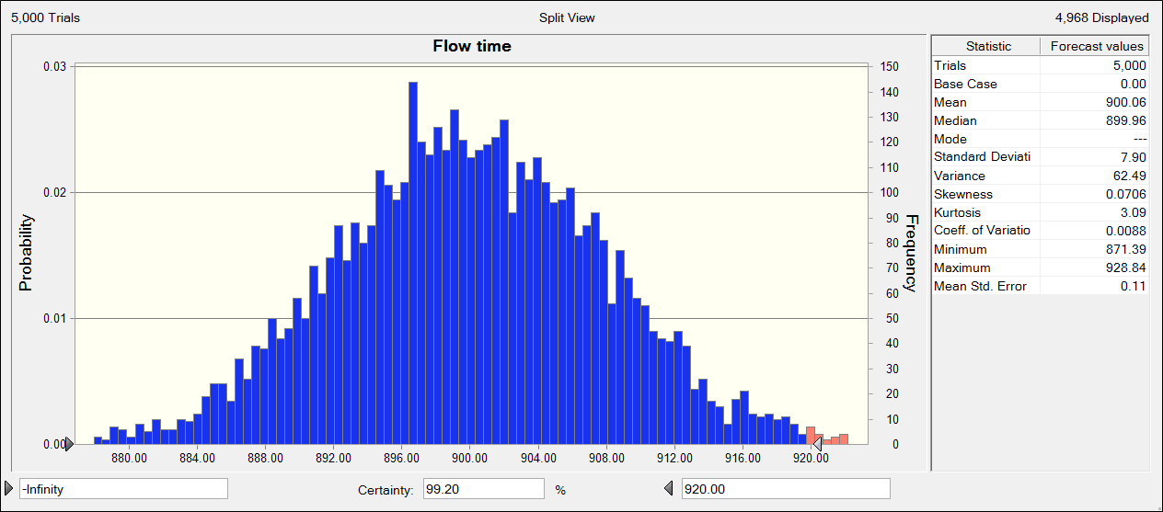

c) | From the above chart and statistics we can see that the mean flow time is 899.97s and the standard deviation is 7.9s. The probability that the total time will be less than 920s is 0.9920.

